WORKING BUDGET
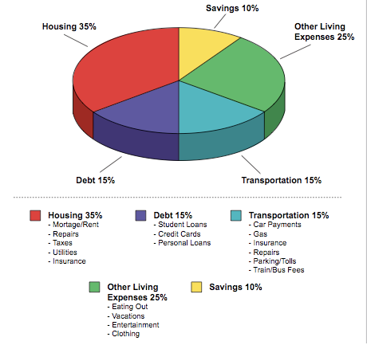
Jean Chatzky's Money School: Budgeting Bootcamp
Where You Stand

WORKING BUDGET

SPENDING SNAPSHOT
Income | $0.00 | 0
Expenses (Includes Savings) | $0.00 | 0%
Income Less Expenses | $0.00 | 0

MONTHLY INCOME
INCOME | AMOUNT
Take Home Pay 1
Take Home Pay 2
Other
Other
Other
Other
Total income | $0.00

MONTHLY HOUSING EXPENSES
EXPENSE | AMOUNT
Mortgage/Rent
Second Mortgage
HOA Dues
Home Décor & Maintenance | $0.00
Taxes
Insurance
Heat
Water and Sewer
Telephone
Trash
Electric
Gas
Other
Other
Other
Other
Other
Other
Other
TOTAL HOUSING | $0.00
PERCENTAGE OF INCOME | #DIV/0!

MONTHLY DEBT EXPENSES
EXPENSE | AMOUNT
Student Loan #1
Student Loan #2
Credit Card #1
Credit Card #2
Credit Card #3
Credit Card #4
Other
Other
Other
TOTAL DEBT | $0.00
PERCENTAGE OF INCOME | #DIV/0!

MONTHLY TRANSPORTATION EXPENSES
EXPENSE | AMOUNT
Auto Loan Payment
Insurance
Public Transport
Gas, Maintenance, Parking, Tolls | $0.00
Other
Other
Other
TOTAL TRANSPORTATION | $0.00
PERCENTAGE OF INCOME | #DIV/0!

MONTHLY LIVING EXPENSES
EXPENSES | AMOUNT
Groceries | $0.00
Dining Out | $0.00
Entertainment | $0.00
Pet Expenses | $0.00
Clothes & Grooming | $0.00
Cell Phone
Internet
Cable
Child-related Expenses | $0.00
Education/Tuition
Child Support/Alimony
Health & Fitness | $0.00
Charity
Life Insurance
Health Insurance
Disability Insurance
Long-term care Insurance
Other (Miscellaneous from Spending Tracker) | $0.00
Vacations
Other
Other
Other
Other
Other
Other
TOTAL LIVING EXPENSES | $0.00
PERCENTAGE OF INCOME | #DIV/0!

TOTAL SPENT | AMOUNT
 | $0.00

MONTHLY SAVINGS CONTRIBUTIONS
SAVINGS | AMOUNT
Retirement
Emergency Fund
College
Other
Other
Other
Other
Other
TOTAL SAVED | $0.00
PERCENTAGE OF INCOME | #DIV/0!

TARGET PERCENTAGE BREAKDOWN

