Budget Month 1
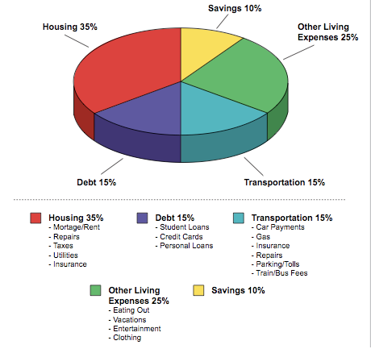
 | Jean Chatzky's Money School: Budgeting Bootcamp
 | 12 Months of Budgets

 | SPENDING SNAPSHOT
 |  | ACTUAL
 | Income | $0.00
 | Expenses | $0.00
 | Income less Expenses | $0.00

 | INCOME SOURCES
 | INCOME | ACTUAL
 | Take Home Pay 1
 | Take Home Pay 2
 | Other
 | Other
 | Other
 | Other
 | Total income | $0.00

HOUSING
EXPENSE | ACTUAL | BUDGETED | DIFFERENCE | NOTES/DUE DATE
Mortgage/Rent |  |  | $0.00
Second Mortgage |  |  | $0.00
HOA Dues |  |  | $0.00
Home décor & maintenance |  |  | $0.00
Taxes |  |  | $0.00
Insurance |  |  | $0.00
Heat |  |  | $0.00
Water and Sewer |  |  | $0.00
Telephone |  |  | $0.00
Trash |  |  | $0.00
Electric |  |  | $0.00
Gas |  |  | $0.00
Other |  |  | $0.00
Other |  |  | $0.00
Other |  |  | $0.00
Other |  |  | $0.00
Other |  |  | $0.00
Other |  |  | $0.00
Other |  |  | $0.00
TOTAL HOUSING | $0.00 | $0.00 | $0.00
PERCENTAGE OF INCOME | #DIV/0! | #DIV/0!

DEBT
EXPENSE | ACTUAL | BUDGETED | DIFFERENCE | NOTES/DUE DATE
Student Loan #1 |  |  | $0.00
Student Loan #2 |  |  | $0.00
Credit Card #1 |  |  | $0.00
Credit Card #2 |  |  | $0.00
Credit Card #3 |  |  | $0.00
Credit Card #4 |  |  | $0.00
Other |  |  | $0.00
Other |  |  | $0.00
Other |  |  | $0.00
TOTAL DEBT | $0.00 | $0.00 | $0.00
PERCENTAGE OF INCOME | #DIV/0! | #DIV/0!

TRANSPORTATION
EXPENSE | ACTUAL | BUDGETED | DIFFERENCE | NOTES/DUE DATE
Auto Loan Payment |  |  | $0.00
Insurance |  |  | $0.00
Public Transport |  |  | $0.00
Gas, maintenance, parking, tolls |  |  | $0.00
Other |  |  | $0.00
Other |  |  | $0.00
Other |  |  | $0.00
TOTAL TRANSPORTATION | $0.00 | $0.00 | $0.00
PERCENTAGE OF INCOME | #DIV/0! | #DIV/0!

LIVING EXPENSES
EXPENSES | ACTUAL | BUDGETED | DIFFERENCE | NOTES/DUE DATE
Groceries |  |  | $0.00
Dining Out |  |  | $0.00
Entertainment |  |  | $0.00
Pet Expenses |  |  | $0.00
Clothes & Grooming |  |  | $0.00
Cell phone |  |  | $0.00
Internet |  |  | $0.00
Cable |  |  | $0.00
Children-related expenses |  |  | $0.00
Education/Tuition |  |  | $0.00
Child support/alimony |  |  | $0.00
Health & Fitness |  |  | $0.00
Charity |  |  | $0.00
Life Insurance |  |  | $0.00
Health Insurance |  |  | $0.00
Disability Insurance |  |  | $0.00
Long-term care Insurance |  |  | $0.00
Other (Miscellaneous from Spending Tracker) |  |  | $0.00
Other |  |  | $0.00
Other |  |  | $0.00
Other |  |  | $0.00
Other |  |  | $0.00
Other |  |  | $0.00
Other |  |  | $0.00
Other |  |  | $0.00
TOTAL LIVING EXPENSES | $0.00 | $0.00 | $0.00
PERCENTAGE OF INCOME | #DIV/0! | #DIV/0!

TOTAL SPENT | ACTUAL | BUDGETED | DIFFERENCE | NOTES
 | $0.00 | $0.00 | $0.00

SAVINGS
SAVINGS | ACTUAL | BUDGETED | DIFFERENCE | NOTES
Retirement |  |  | $0.00
Emergency Fund |  |  | $0.00
College |  |  | $0.00
Other |  |  | $0.00
Other |  |  | $0.00
Other |  |  | $0.00
Other |  |  | $0.00
Other |  |  | $0.00
TOTAL SAVED | $0.00 | $0.00 | $0.00
PERCENTAGE OF INCOME | #DIV/0! | #DIV/0!

 |  |  |  | Version 4.13
TARGET PERCENTAGE BREAKDOWN:

